Sheet1
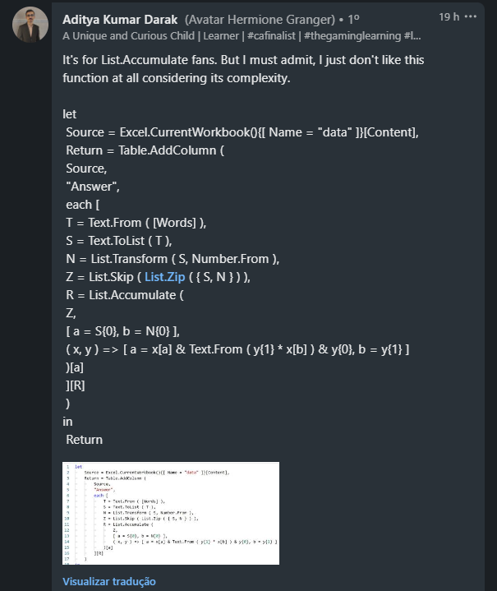
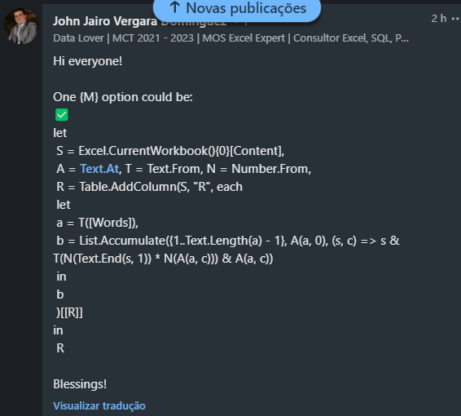
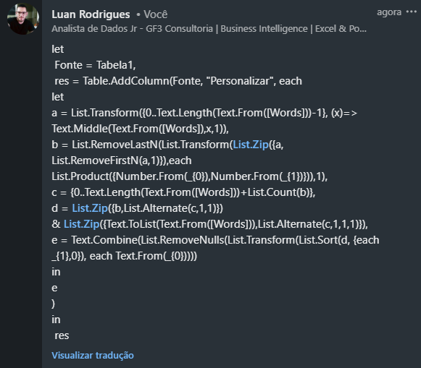
Words | Answer Expected
58 | 5408
307 | 30007
4339 | 412393279
96729 | 9546427142189
462120 | 4246122212200
2987073 | 21897285670007213
75996729 | 7355459819546427142189
573505490 | 5357213155000520436900
71255811938 | 77122105255408811199273248
2905 | 21890005
Pegue ith e (i+1)th dígitos, multiplique-os e insira o resultado entre os mesmos dígitos. Ex. 2905 2*9 = 18 => 2189 9*0 = 0 => 218900 0*5 = 0 => 21890005

